Lab Details
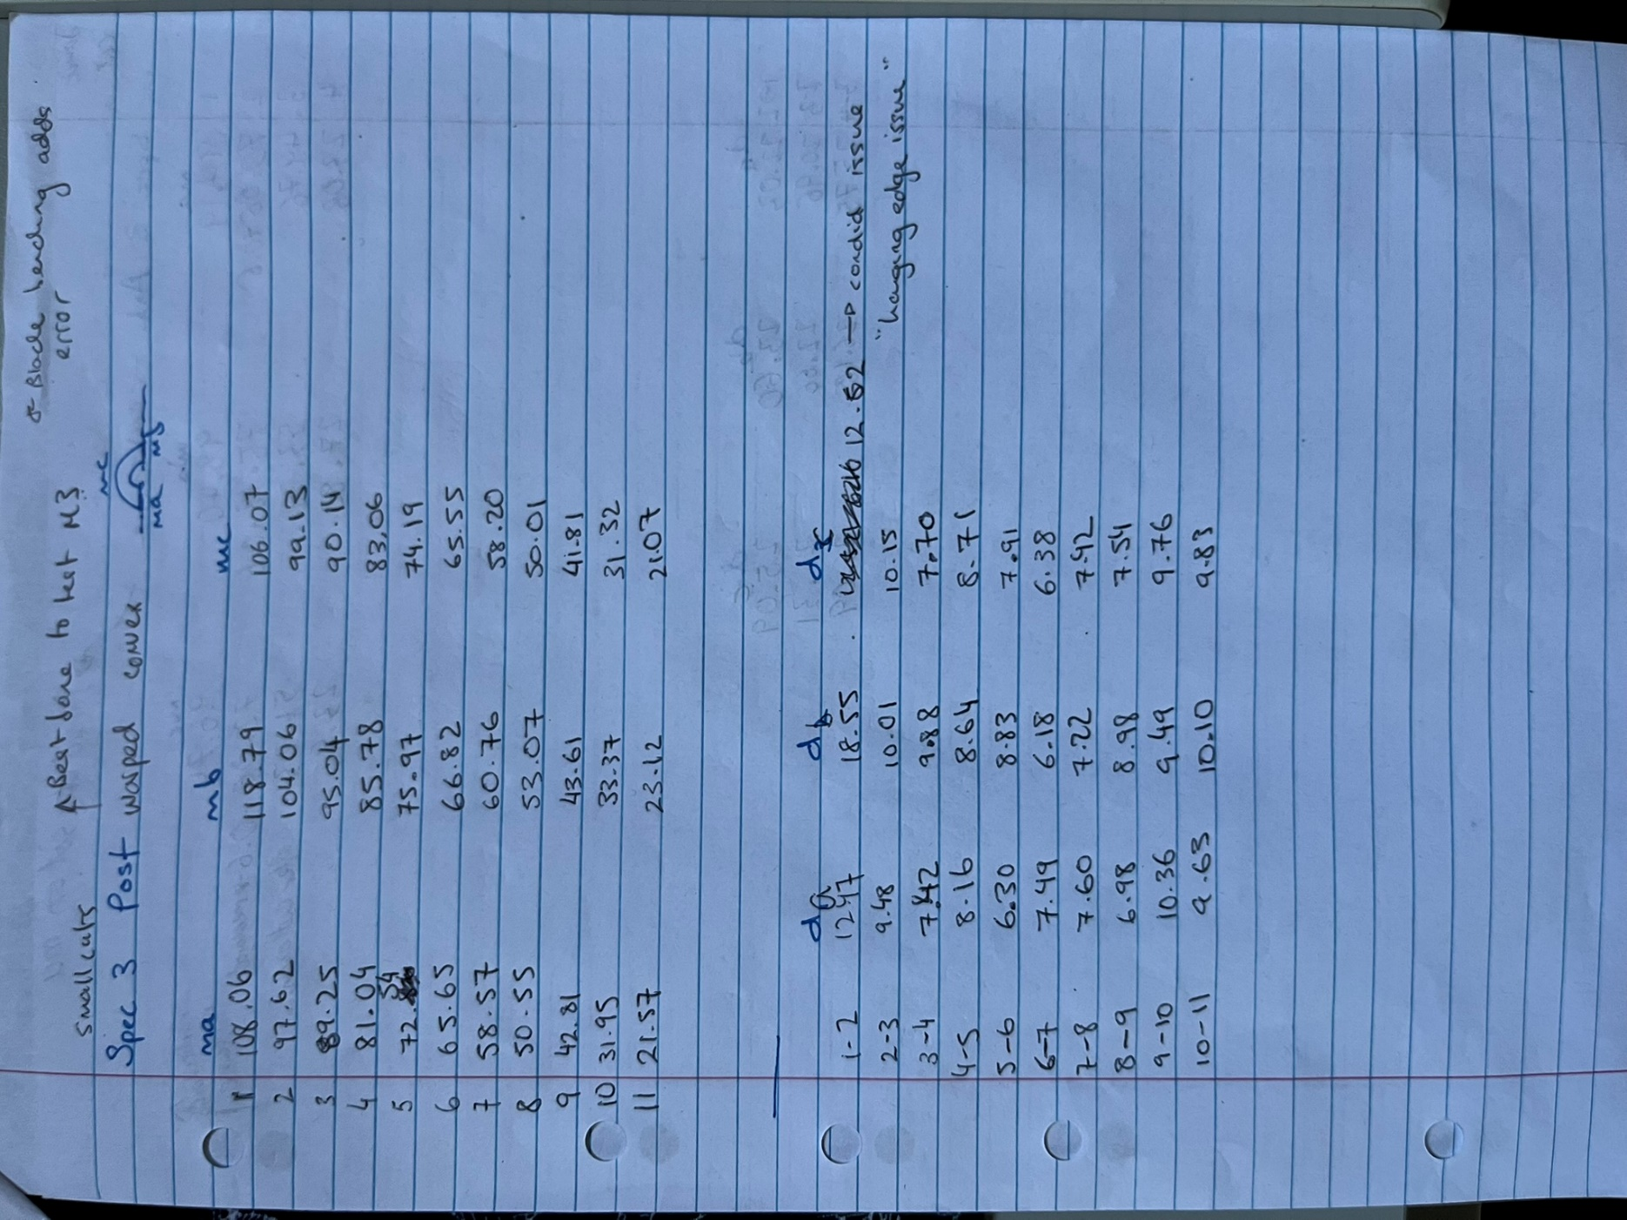
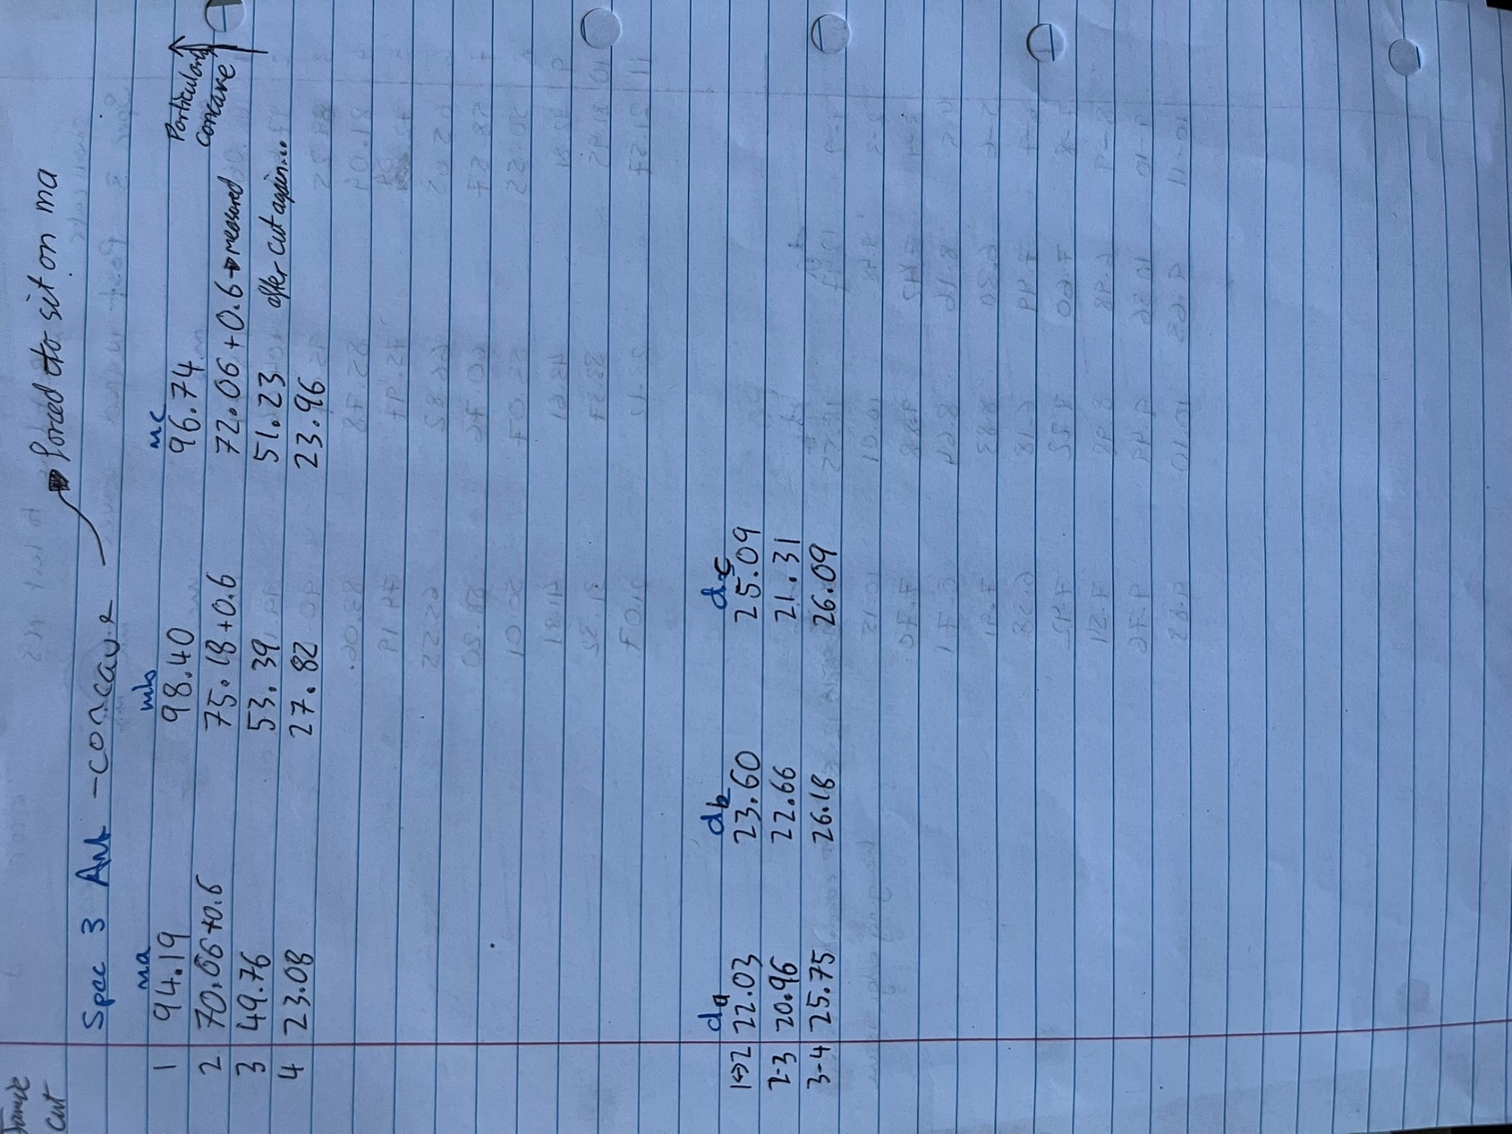
Posterior+Anterior |  | Specimen 03
Cut on 31-01-2025 |  | Bladewidth -0.6mm

 | Posterior |  |  |  | Anterior
 | Cut # | ma | mb | mc | Cut # | ma | mb | mc
 | 1 | 108.06 | 118.79 | 106.07 | 1 | 94.19 | 98.4 | 96.74
 | 2 | 97.62 | 104.06 | 99.13 | 2 | 70.66 | 75.18 | 72.06
 | 3 | 89.25 | 95.04 | 90.14 | 3 | 49.76 | 53.39 | 51.23
 | 4 | 81.04 | 85.78 | 83.06 | 4 | 23.08 | 27.82 | 23.96
 | 5 | 72.54 | 75.97 | 74.19
 | 6 | 65.65 | 66.82 | 65.55
 | 7 | 58.57 | 60.76 | 58.2
 | 8 | 50.55 | 53.07 | 50.01
 | 9 | 42.81 | 43.61 | 41.81 | Anterior
 | 10 | 31.95 | 33.37 | 31.32 | Width | da | db | dc
 | 11 | 21.57 | 23.12 | 21.07 | 1 to 2 | 22.03 | 23.6 | 25.09
 |  |  |  |  | 2 to 3 | 20.96 | 22.66 | 21.31
 |  |  |  |  | 3 to 4 | 25.75 | 26.18 | 26.09
 | Posterior
 | Width | da | db | dc
 | 1 to 2 | 12.47 | 18.55 | 12.52
 | 2 to 3 | 9.48 | 10.01 | 10.15
 | 3 to 4 | 7.42 | 9.88 | 7.7
 | 4 to 5 | 8.16 | 8.64 | 8.71
 | 5 to 6 | 6.3 | 8.83 | 7.91
 | 6 to 7 | 7.49 | 6.18 | 6.38
 | 7 to 8 | 7.6 | 7.22 | 7.42
 | 8 to 9 | 6.98 | 8.98 | 7.54
 | 9 to 10 | 10.36 | 9.49 | 9.76
 | 10 to 11 | 9.63 | 10.1 | 9.83

